Sheet1
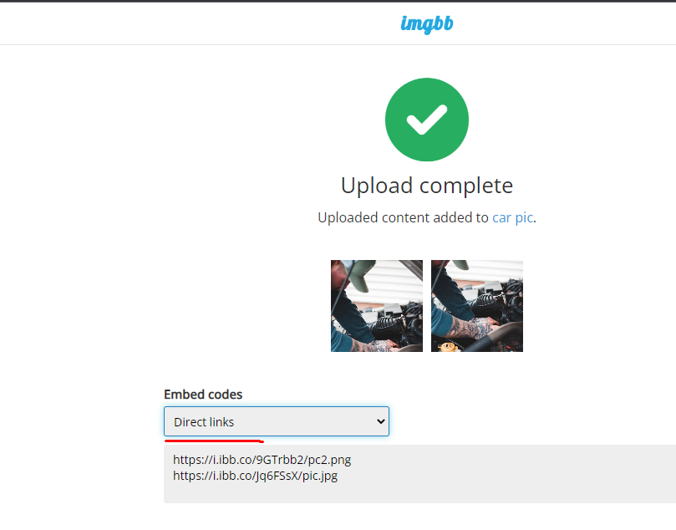
name | yousufweb | pass: Sajin1999

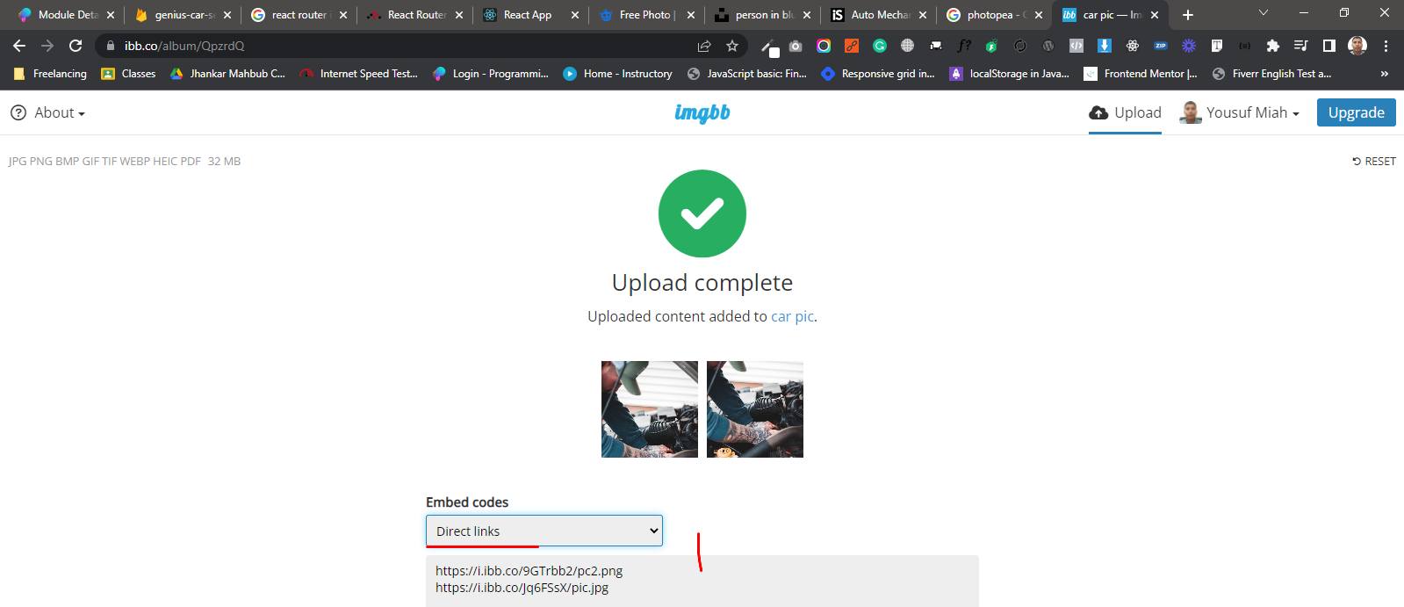
imgbb.com

